q10
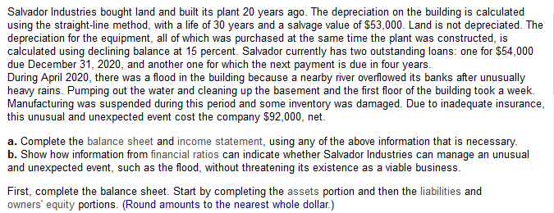

Assets |  |  |  |  |  |  |  |  |  | Revenues
Current assets |  |  |  |  |  |  |  |  |  | Gross income from sales |  | $8,615,000
Cash |  |  | $356,000 |  |  |  |  |  |  | Less |  | 7,505,000
Accounts receivable |  |  | 2,790,000 |  |  |  |  |  |  |  | Net revenue from sales | $1,110,000
Inventories |  |  | 2,006,000 |  |  |  |  |  |  | Expenses
Prepaid services |  |  | 158,000 |  |  |  |  |  |  | Depreciation |  | 66,000
 | Total Current Assets |  | $5,310,000 |  |  |  |  |  |  | Interest paid |  | 242,000
Long-term assets |  |  |  |  |  |  |  |  |  | Other expenses |  | 98,000
Building |  | $212,000 |  | N: | 30 |  | sv: | 53000 |  |  | Total expenses | 406,000
 | Less accumulated depreciation | $106,000 | $106,000 | current: | 20 |  |  |  |  | Income before taxes |  | $704,000
Equipment |  | 490,000 |  |  |  |  |  |  | 0.3 | Taxes at 35% |  | $211,200
 | Less accumulated depreciation | 471,008 | 18992 | d: | 0.15 |  |  |  |  | income pre extr |  | $492,800
Land |  |  | 560,000 |  |  |  |  |  |  | extr |  | 92000
 | Total Long-Term Assets |  | 684,992 |  |  |  |  |  |  | Net Income (loss) |  | $400,800
Total assets |  |  | $5,994,992

Part 3
 |  |  |  |  |  | current: | 5.02 | both are high
Liabilities and Owners' Equity |  |  |  |  |  | acid test: | 2.97
Current Liabilities |  |  |  |  |  | equity: | 0.57 | low, relies on debt
Accounts payable |  |  | $975,992 |  |  | roa: | 8.22 | low, takes much of pre tax income
Loan due Dec. 31, 2020 |  |  | 54000
Accrued taxes |  |  | 28,000
 | Total Current Liabilities |  | $1,057,992
Long-term Liabilities
Mortgage |  |  | 1,180,000
Long-term loan |  |  | 322,000
 | Total Long-Term Liabilities |  | 1,502,000
Total Liabilities |  |  | $2,559,992
Owners' Equity
Common shares |  |  | 1,880,000
Retained earnings |  |  | $1,555,000
Total Owners' Equity |  |  | 3,435,000
Total Liabilities and Owners' Equity |  |  | 5,994,992

